T3 - Appendix
Main

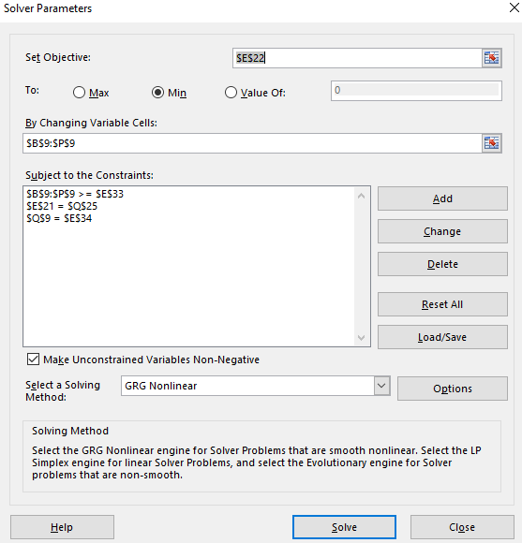
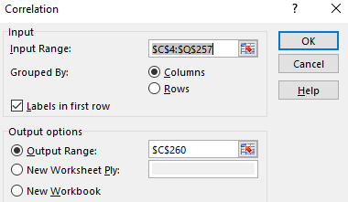
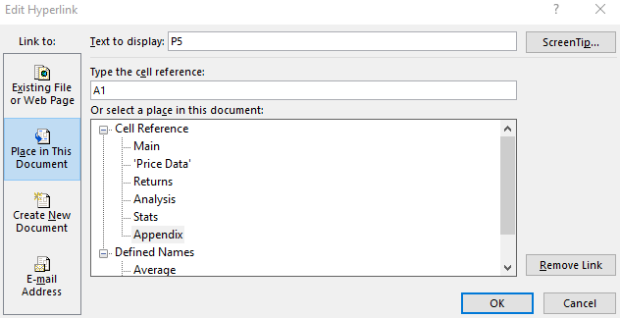

 |  | Data Analysis for Correlation of Returns

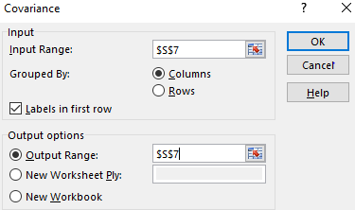
 |  |  | Linking Sheets Example Using Hyperlinks

 | Solver parameters for TR1 | Data Analysis for Covariance of Returns

